Ti2C4
Frame analysis v. | GSA-Ti2C2 |  |  |  | units [mm], [deg]
 | SA file "Ball 5DoF cal analysis08022023.xit64"
updated track length | 1402.123

 | x | y | z
sMPA offset to WCS | 1.959 | 248.705 | 1268.749
 | Rx | Ry | Rz
sMPA XYZ fixed angle to WCS | -24.3096 | 0.0420 | 0.1114
sMPA XYZ Euler angle to WCS | -24.3096 | -0.0076 | 0.1189
GSA Angle to WCS | -11.1035

Pupil center reported in GSA |  | X | Y | Z
 | sMask | 1.969 | -0.118 | 599.429
 |  |  |  |  |  |  | USE THESE!
Pose | 5DoF |  |  |  |  |  | Encoder values (Ti2C4) RB corrected
 | Name | X | Y | Z | Rx | Ry | Name | X | Y | Z | Rx | Ry
 | PR1 | 1.978 | 0.177 | 0.775 | 0.0136 | -0.0008 | PR1 | 1.954 | 0.213 | 0.761 | 0.0144 | 0.0013
 | PR2 | -108.487 | -46.961 | 23.427 | -4.9274 | 10.6452 | PR2 | -108.392 | -47.020 | 23.317 | -4.9273 | 10.6442
 | PR3 | 112.328 | -46.473 | 23.257 | -4.8771 | -10.6354 | PR3 | 112.279 | -46.175 | 23.358 | -4.8756 | -10.6352
 | PR4 | 104.092 | 58.668 | 31.857 | 5.2892 | -10.3486 | PR4 | 103.899 | 58.892 | 32.053 | 5.2941 | -10.3462
 | PR5 | -100.415 | 58.310 | 31.838 | 5.2529 | 10.3735 | PR5 | -100.473 | 58.179 | 31.835 | 5.2523 | 10.3743

Corresponding Field Points in GSA |  | X | Y | Z |  | (from tab #2 ) | Encoder values RB corrected from Ti2C2 | X | Y | Z | Rx | Ry |  | X | Y | Z | Rx | Ry
 | PR1 | 1.959 | -0.284 | 1292.917 |  |  | PR1 | 1.932 | 0.211 | 0.791 | 0.019 | 0.0019 | PR1 | -0.023 | -0.001 | 0.030 | 0.0046 | 0.0006
 | PR2 | 130.201 | 58.480 | 1279.137 |  |  | PR2 | -108.416 | -47.026 | 23.345 | -4.9232 | 10.6453 | PR2 | -0.023 | -0.006 | 0.028 | 0.0041 | 0.0011
 | PR3 | -126.146 | 57.884 | 1279.200 |  |  | PR3 | 112.258 | -46.180 | 23.385 | -4.8715 | -10.6346 | PR3 | -0.021 | -0.005 | 0.027 | 0.0041 | 0.0006
 | PR4 | -128.020 | -65.739 | 1308.251 |  |  | PR4 | 103.877 | 58.888 | 32.081 | 5.2985 | -10.3452 | PR4 | -0.023 | -0.004 | 0.028 | 0.0044 | 0.0010
 | PR5 | 132.249 | -65.276 | 1308.137 |  |  | PR5 | -100.496 | 58.176 | 31.871 | 5.2568 | 10.3754 | PR5 | -0.023 | -0.003 | 0.036 | 0.0045 | 0.0011
 |  |  |  |  |  |  | ave fdpr shifts | -0.003 | -0.110 | 0.002 |  |  | ave del | -0.023 | -0.004 | 0.030 | 0.0043 | 0.0009
 |  |  |  |  |  |  | check RB vs shifts | -0.005 | -0.076 |  |  |  |  | d x | d y
 |  |  |  |  |  |  |  |  |  |  |  |  | rotation adj | 0.020 | -0.098
 |  |  |  |  |  |  |  |  |  |  |  |  | delta (ave del- RB 6DoF) | 0.002 | -0.026 | 0.006 | -0.001 | 0.000

 |  |  |  |  |  |  | FDPR update
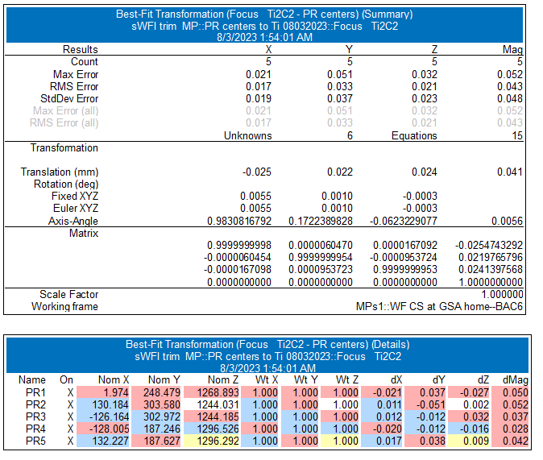
 |  |  |  |  |  |  |  |  |  |  |  |  | RB 6DoF
 |  |  |  |  |  |  |  |  |  |  |  |  |  | -0.025 | 0.022 | 0.024 | 0.0055 | 0.001 | -0.0003

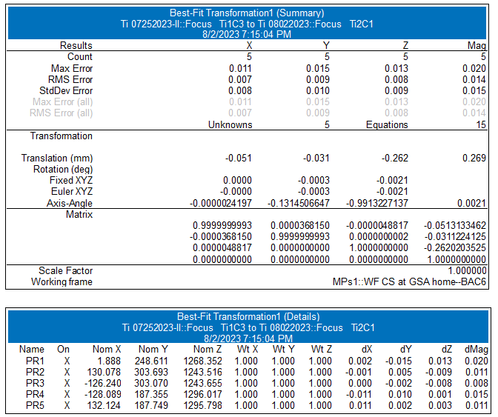
 |  |  |  |  |  |  |  |  |  |  |  |  | Ti1 to Ti2 | X | Y | Z | Rx | Ry | Rz
 |  |  |  |  |  |  |  |  |  |  |  |  | FDPR (Ti1C3 to Ti2C1) | -0.051 | -0.031 | -0.262 | 0 | -0.0003 | -0.0021

